Sheet1
Homegoods Description | Quantity | Retail Price | Retail Value | Category | PHOTO
Breim Wardrobe Pop up Closet | 34 | 69.59 | $2,366.06 | Hogar | 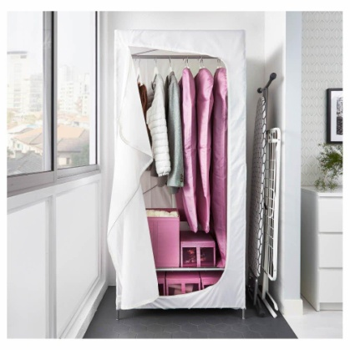
Braviken Double Bowl Sink White 001.483.08 | 4 | 250.00 | $1,000.00 | Furniture | 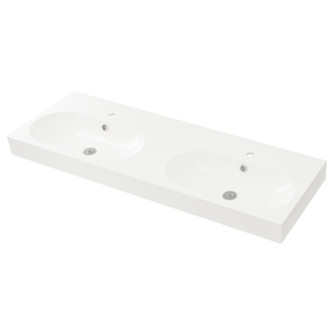
Engavagen King Rolled Mattress White 103.072.69 | 12 | 100.00 | $1,200.00 | Hogar | 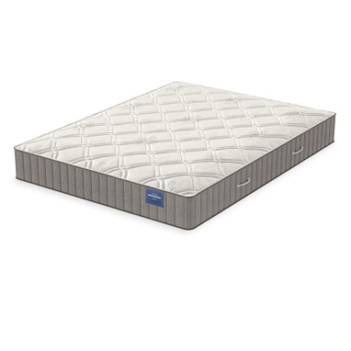
Gosig Ratta 201.536.95 | 214 | 10.53 | $2,327.13 | Accesorio | 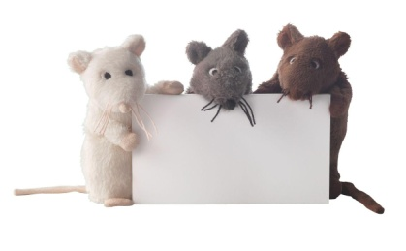
Guldboda Picture Frames 303.457.22 | 288 | 11.00 | $3,168.00 | Furniture | 
INDUSTRIELL Pendant Lamp, bamboo, 9" | 18 | 39.99 | $719.82 | Furniture | 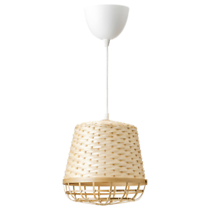
Kallarp 12/30 High Gloss Doors grey/turquoise 203.27.16 | 11 | 59.33 | $652.63 | Furniture | 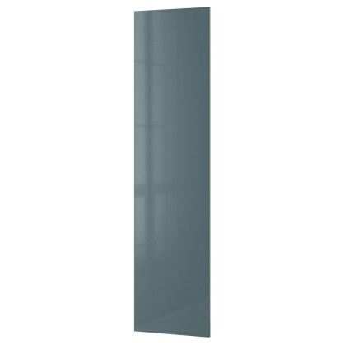
Kallarp Side Panel Grey Turquoise GlossCabinet Door 303.226.93 | 10 | 55.79 | $557.90 | Furniture | 
Lankmoj Box Set of 3 Black, White, Gold | 1344 | 17.75 | $23,856.00 | Accesorio | 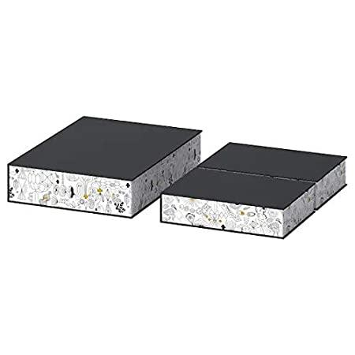
Lillangen Mirror Cabinet w/ 2 doors black/brown | 6 | 99.00 | $594.00 | Furniture | 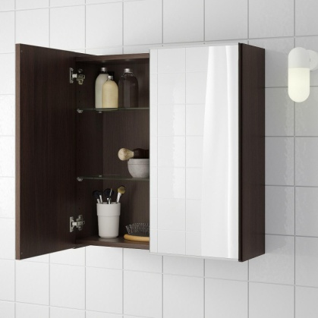
Nymo Lamp Shade Sage Green 203.607.46 | 10 | 29.50 | $295.00 | Furniture | 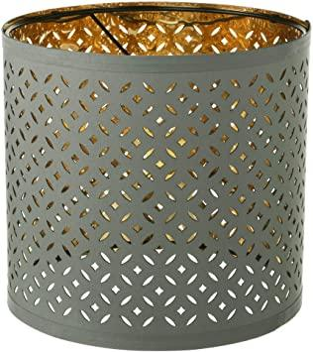
Oppebyu Work Top 002.794.36High Gloss White | 28 | 122.55 | $3,431.40 | Furniture | 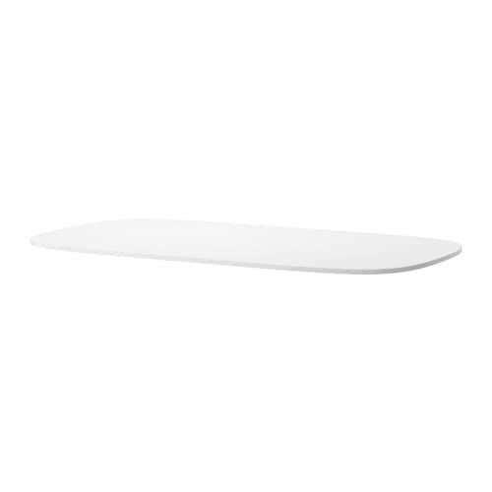
Skeninge LED Spotlight | 216 | 21.82 | $4,713.12 | Furniture | 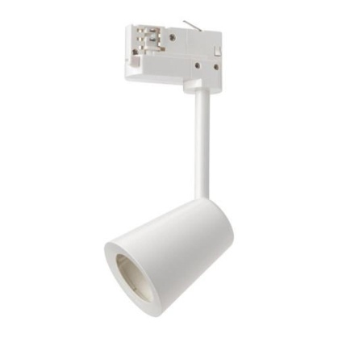
Valje Wall Cabinet Storage White | 2 | 50.00 | $100.00 | Furniture | 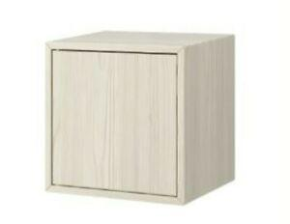
Valje White Storage | 87 | 59.99 | $5,219.13 | Furniture | 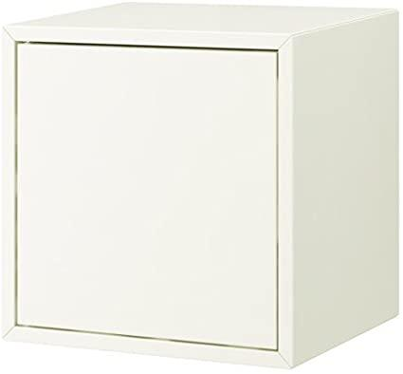
 | 2284 | Retail Price | $47,834.13

 |  | Total de Pallets de 10-12

